M&B
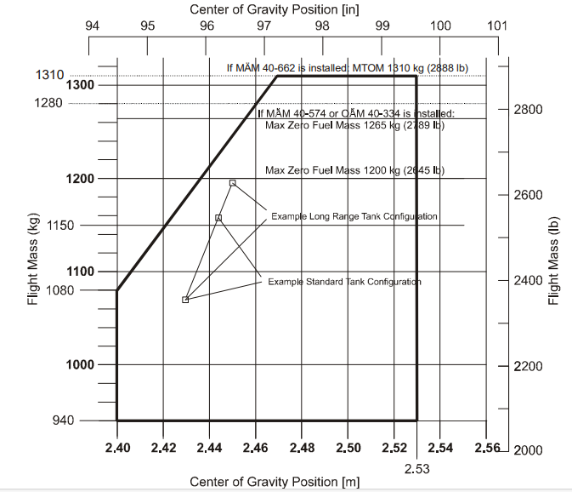
BLOCK FUEL
FUEL CHECKS |  |  | USG |  | OBSERVATIONS
TAXI |  |  | 0.25

TRIP |  |  | 5.1

CONTINGENCY |  |  | 0.3

ALTERNATE |  |  | 5.1 |  | GMMD-GMMB

FINAL RESERVE |  |  | 3

REQUIRED FUEL |  |  | 13.7

EXTRA FUEL |  |  | 25.3

FUEL ON BOARD |  |  | 39 |  | 118.092

MASS AND BALANCE
 |  | LEVER ARM |  | MASS |  | MOMENT
Empty Mass |  | 2.42 |  | 940 |  | 2274.8

Front Seats |  | 2.30 |  | 150 |  | 345

Rear Seats |  | 3.25 |  | 73 |  | 237.25

FWD Baggage |  | 3.89 |  | 0 |  | 0

AFT Baggage |  | 4.54 |  | 10 |  | 45.4

Zero Fuel Mass |  | 2.47 |  | 1173 |  | 2902.45

FUEL ON BOARD |  | 2.63 |  | 118.092 |  | 310.58196

Total TKOF Mass |  | 2.49 |  | 1291 |  | 3213.03196

EMERGENCY
XPDR |  |  | TELEPHONE NUMBERS
EMERGENCY | RADIO FAIL | HIJACK | STANDARD BASG |  | CASA APP/CCR |  | GENDARMERIE
7700 | 7600 | 7500 | 05 23 29 17 57 |  | 05 22 53 90 40 |  | 170

NOTES

